LDBOND
LIC MF MEDIUM TO LONG DURATION BOND FUND (FORMERLY LIC MF BOND FUND ) |  |  |  |  |  |  | Index

Monthly Portfolio Statement as on September 30,2023
Name of the Instrument | ISIN | Industry / Rating | Quantity | Market/Fair Value (Rounded, Rs. In Lacs) | Rounded, % to Net Assets | Yield

Debt Instruments
(a)Listed / Awaiting listing on stock Exchanges
7.26% Government of India | IN0020220151 | SOVEREIGN | 6,550,000.000 | 6,627.73 | 33.82% | 7.38%
7.7% State Government of Maharashtra | IN2220220205 | SOVEREIGN | 4,000,000.000 | 4,080.65 | 20.82% | 7.61%
7.8% State Government of Gujarat | IN1520220055 | SOVEREIGN | 2,500,000.000 | 2,594.22 | 13.24% | 7.59%
7.26% Government of India | IN0020220060 | SOVEREIGN | 1,600,000.000 | 1,612.11 | 8.23% | 7.39%
7.64% State Government of Maharashtra | IN2220220114 | SOVEREIGN | 1,500,000.000 | 1,520.04 | 7.76% | 7.58%
8.0% HDFC Bank Ltd. ** | INE040A08807 | CRISIL AAA | 100.000 | 1,026.02 | 5.23% | 7.81%
7.82% State Government of Gujarat | IN1520220030 | SOVEREIGN | 500,000.000 | 521.72 | 2.66% | 7.59%
6.95% State Government of Gujarat | IN1520210056 | SOVEREIGN | 500,000.000 | 492.34 | 2.51% | 7.60%
7.86% State Government of Haryana | IN1620220112 | SOVEREIGN | 400,000.000 | 418.41 | 2.13% | 7.59%
Sub Total |  |  |  | 18,893.24 | 96.40%

(b)Privately Placed/Unlisted
Sub Total |  |  |  | NIL | NIL

(c)Securitised Debt Instruments
Sub Total |  |  |  | NIL | NIL

TOTAL |  |  |  | 18,893.24 | 96.39%

Treps / Reverse Repo
Treps |  |  |  | 692.99 | 3.54%
Sub Total |  |  |  | 692.99 | 3.54%

TOTAL |  |  |  | 692.99 | 3.54%
Net Receivables / (Payables) |  |  |  | 13.49 | 0.07%
GRAND TOTAL |  |  |  | 19,599.72 | 100.00%

** Non Traded Security

“The bonds of 9% Yes Bank SR AT 1 DOA 18-OCT-17 held by the transferor scheme IDBI Credit Risk Fund was fully provided for in the books by IDBI Mutual Fund before the merger. Recovery (if any) against this paper in future date, shall be written back in LICMF Bond Fund (transferee Scheme), as per applicable regulatory provisions”.

The product is suitable for investors who are seeking* | Riskometer - Scheme | First Tier Benchmark | Riskometer - First Tier Benchmark
LIC MF MEDIUM TO LONG DURATION BOND FUND | 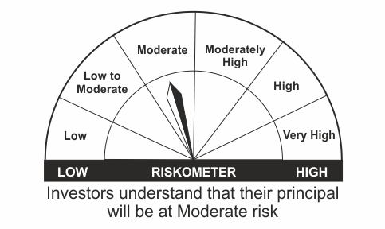 |  | 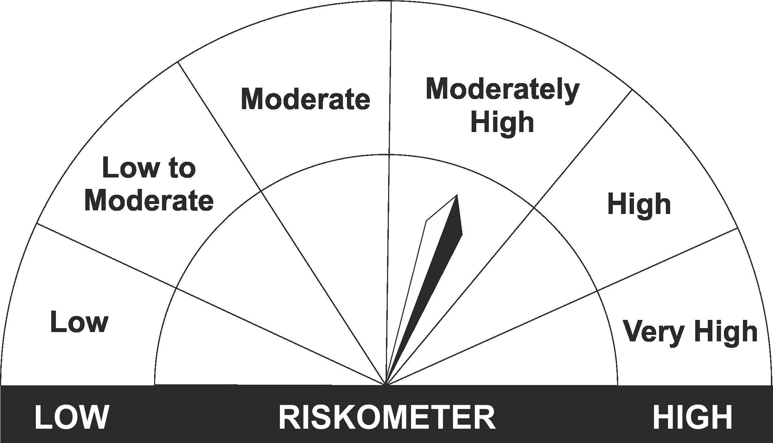
•Income Over Medium to long term |  | CRISIL Medium to Long Duration Fund BIII Index
•To generate income/capital appreciation through investments in Debt / Money Market Instruments
•Risk – Moderate |  | •Risk - Moderately High

*Investors should consult their financial advisers if in doubt about whether the product is suitable for them.
Mutual Fund investments are subject to market risks, read all scheme related documents carefully.

 | Potential Risk Class
LIC MF MEDIUM TO LONG DURATION BOND FUND | Credit Risk | Relatively Low (Class A) | Moderate (Class B) | Relatively High (Class C)
 | Interest Rate Risk
 | Relatively Low (Class I)
 | Moderate (Class II)
 | Relatively High (Class III) |  | B-III

 | Portfolio Information
Scheme Name : | LIC MF MEDIUM TO LONG DURATION BOND FUND
Description (if any) | Medium to Long Duration Fund
Annualised Portfolio YTM* : | 7.48
Macaulay Duration | 6.48
Residual Maturity | 8.60
As on (Date) | 30 September 2023

LDGETF
LIC MF NIFTY 8-13 YR G-SEC ETF | NSE Symbol: LICNETFGSC |  |  |  |  |  | Index

Monthly Portfolio Statement as on September 30,2023
Name of the Instrument | ISIN | Industry / Rating | Quantity | Market/Fair Value (Rounded, Rs. In Lacs) | Rounded, % to Net Assets | Yield

Debt Instruments
(a)Listed / Awaiting listing on stock Exchanges
7.26% Government of India | IN0020220151 | SOVEREIGN | 60,540,000.000 | 61,258.41 | 58.40% | 7.38%
7.26% Government of India | IN0020220060 | SOVEREIGN | 21,500,000.000 | 21,662.71 | 20.65% | 7.39%
7.18% Government of India | IN0020230085 | SOVEREIGN | 11,000,000.000 | 11,083.52 | 10.57% | 7.34%
6.54% Government of India | IN0020210244 | SOVEREIGN | 11,000,000.000 | 10,648.53 | 10.15% | 7.40%
Sub Total |  |  |  | 104,653.17 | 99.77%

(b)Privately Placed/Unlisted
Sub Total |  |  |  | NIL | NIL

(c)Securitised Debt Instruments
Sub Total |  |  |  | NIL | NIL

TOTAL |  |  |  | 104,653.17 | 99.77%

Treps / Reverse Repo
Treps |  |  |  | 86.89 | 0.08%
Sub Total |  |  |  | 86.89 | 0.08%

TOTAL |  |  |  | 86.89 | 0.08%
Net Receivables / (Payables) |  |  |  | 153.61 | 0.15%
GRAND TOTAL |  |  |  | 104,893.67 | 100.00%

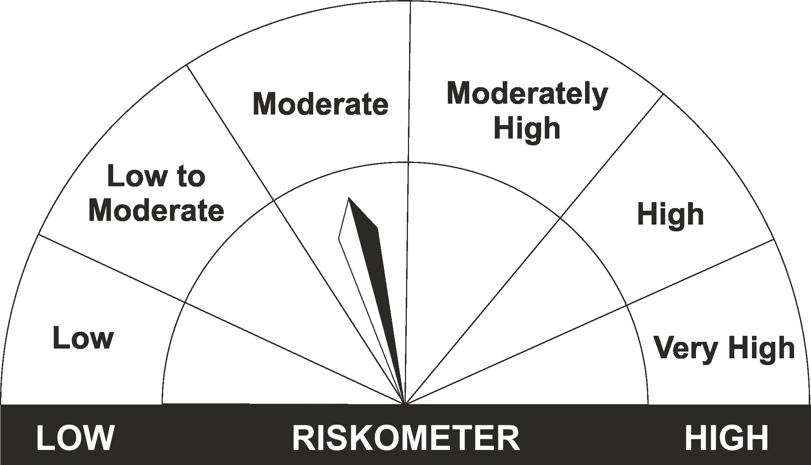
The product is suitable for investors who are seeking* | Riskometer - Scheme | First Tier Benchmark | Riskometer - First Tier Benchmark
LIC MF Nifty 8-13 yr G-Sec ETF
•Medium to long term regular Income. |  | Nifty 8-13 yr G-Sec
•Investment in securities in line with Nifty 8- 13 Yr G-Sec Index to generate comparable returns subject to tracking error.
•Risk - Moderate |  | •Risk - Moderate

*Investors should consult their financial advisers if in doubt about whether the product is suitable for them.
Mutual Fund investments are subject to market risks, read all scheme related documents carefully.

 | Potential Risk Class
LIC MF NIFTY 8-13 YR G-SEC ETF | Credit Risk | Relatively Low (Class A) | Moderate (Class B) | Relatively High (Class C)
 | Interest Rate Risk
 | Relatively Low (Class I)
 | Moderate (Class II)
 | Relatively High (Class III) | A-III

 | Portfolio Information
Scheme Name : | LIC MF Nifty 8-13 yr G-Sec ETF
Description (if any) | Other ETFs
Annualised Portfolio YTM* : | 7.37
Macaulay Duration | 6.79
Residual Maturity | 8.96
As on (Date) | 30 September 2023

LDMIPF
LIC MF CONSERVATIVE HYBRID FUND (FORMERLY LIC MF DEBT HYBRID FUND ) |  |  |  |  |  |  | Index

Monthly Portfolio Statement as on September 30,2023
Name of the Instrument | ISIN | Industry / Rating | Quantity | Market/Fair Value (Rounded, Rs. In Lacs) | Rounded, % to Net Assets | Yield
Equity & Equity related
(a)Listed / Awaiting listing on Stock Exchanges
ICICI Bank Ltd. | INE090A01021 | Banks | 35,713.000 | 339.95 | 6.37%
Infosys Ltd. | INE009A01021 | IT - Software | 15,015.000 | 215.53 | 4.04%
HDFC Bank Ltd. | INE040A01034 | Banks | 8,307.000 | 126.79 | 2.37%
Hindustan Unilever Ltd. | INE030A01027 | Diversified FMCG | 4,274.000 | 105.38 | 1.97%
Reliance Industries Ltd. | INE002A01018 | Petroleum Products | 3,969.000 | 93.07 | 1.74%
Nestle India Ltd. | INE239A01016 | Food Products | 383.000 | 86.20 | 1.61%
Mahindra & Mahindra Ltd. | INE101A01026 | Automobiles | 5,184.000 | 80.57 | 1.51%
LTIMindtree Ltd. | INE214T01019 | IT - Software | 1,341.000 | 69.86 | 1.31%
Bharti Airtel Ltd. | INE397D01024 | Telecom - Services | 5,780.000 | 53.55 | 1.00%
Sub Total |  |  |  | 1,170.90 | 21.93%
(b) Unlisted
Sub Total |  |  |  | NIL | NIL

TOTAL |  |  |  | 1,170.90 | 21.93%

Debt Instruments
(a)Listed / Awaiting listing on stock Exchanges
7.38% Government of India | IN0020220037 | SOVEREIGN | 1,550,000.000 | 1,588.71 | 29.76% | 7.37%
6.69% Government of India | IN0020220052 | SOVEREIGN | 800,000.000 | 811.34 | 15.20% | 7.26%
8.3% Tata Capital Financial Services Ltd. ** | INE306N07NL3 | ICRA AAA | 500.000 | 524.97 | 9.83% | 8.06%
7.1% Government of India | IN0020220011 | SOVEREIGN | 450,000.000 | 461.43 | 8.64% | 7.38%
7.26% Government of India | IN0020220060 | SOVEREIGN | 450,000.000 | 453.41 | 8.49% | 7.39%
5.63% Government of India | IN0020210012 | SOVEREIGN | 250,000.000 | 247.36 | 4.63% | 7.39%
8.49% NTPC Ltd. ** | INE733E07JP6 | CRISIL AAA | 49,895.833 | 5.04 | 0.09% | 7.48%
Sub Total |  |  |  | 4,092.26 | 76.64%

(b)Privately Placed/Unlisted
Sub Total |  |  |  | NIL | NIL

(c)Securitised Debt Instruments
Sub Total |  |  |  | NIL | NIL

TOTAL |  |  |  | 4,092.26 | 76.65%

Treps / Reverse Repo
Treps |  |  |  | 96.38 | 1.81%
Sub Total |  |  |  | 96.38 | 1.81%

TOTAL |  |  |  | 96.38 | 1.81%
Net Receivables / (Payables) |  |  |  | (20.51) | (0.39%)
GRAND TOTAL |  |  |  | 5,339.03 | 100.00%

** Non Traded Security

The product is suitable for investors who are seeking* | Riskometer - Scheme | First Tier Benchmark | Riskometer - First Tier Benchmark
LIC MF CONSERVATIVE HYBRID FUND | 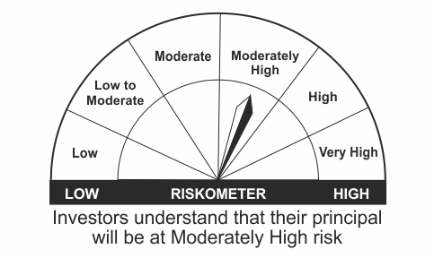
•Medium term capital appreciation with current income |  | CRISIL Hybrid 85+15 - Conservative Index
•A fund that invests predominantly in debt instruments with marginal equity exposure.
•Risk – Moderately High |  | •Risk - Moderately High

*Investors should consult their financial advisers if in doubt about whether the product is suitable for them.
Mutual Fund investments are subject to market risks, read all scheme related documents carefully.

LDMNMF
LIC MF MONEY MARKET FUND |  |  |  |  |  |  | Index

Monthly Portfolio Statement as on September 30,2023
Name of the Instrument | ISIN | Industry / Rating | Quantity | Market/Fair Value (Rounded, Rs. In Lacs) | Rounded, % to Net Assets | Yield

Money Market Instruments

Treasury Bill
364 DAYS TBILL RED 27-10-2023 | IN002022Z309 | SOVEREIGN | 1,500,000.000 | 1,492.88 | 48.30% | 6.70%
364 DAYS TBILL RED 19-10-2023 | IN002022Z291 | SOVEREIGN | 500,000.000 | 498.35 | 16.12% | 6.70%
Sub Total |  |  |  | 1,991.23 | 64.42%

TOTAL |  |  |  | 1,991.23 | 64.42%

Treps / Reverse Repo
Treps |  |  |  | 1,066.38 | 34.50%
Sub Total |  |  |  | 1,066.38 | 34.50%

TOTAL |  |  |  | 1,066.38 | 34.50%
Net Receivables / (Payables) |  |  |  | 33.36 | 1.08%
GRAND TOTAL |  |  |  | 3,090.97 | 100.00%

The product is suitable for investors who are seeking* | Riskometer - Scheme | First Tier Benchmark | Riskometer - First Tier Benchmark
LIC MF Money Market Fund | 
•Income over short term. |  | NIFTY Money Market Index B-I
•Investment in money market instruments with maturity upto one year.
•Risk – Low |  | •Risk - Moderate

*Investors should consult their financial advisers if in doubt about whether the product is suitable for them.
Mutual Fund investments are subject to market risks, read all scheme related documents carefully.

 | Potential Risk Class
LIC MF Money Market Fund | Credit Risk | Relatively Low (Class A) | Moderate (Class B) | Relatively High (Class C)
 | Interest Rate Risk
 | Relatively Low (Class I) |  | B-I
 | Moderate (Class II)
 | Relatively High (Class III)

 | Portfolio Information
Scheme Name : | LIC MF Money Market Fund
Description (if any) | Money Market Fund
Annualised Portfolio YTM* : | 6.73
Macaulay Duration | 0.05
Residual Maturity | 0.05
As on (Date) | 30 September 2023

LDONTF
LIC MF OVERNIGHT FUND |  |  |  |  |  |  | Index

Monthly Portfolio Statement as on September 30,2023
Name of the Instrument | ISIN | Industry / Rating | Quantity | Market/Fair Value (Rounded, Rs. In Lacs) | Rounded, % to Net Assets | Yield

Money Market Instruments

Certificate of Deposit
Canara Bank ** # | INE476A16VY8 | CRISIL A1+ | 1,000.000 | 4,998.09 | 6.49% | 6.99%
Punjab National Bank ** # | INE160A16NR9 | ICRA A1+ | 500.000 | 2,499.04 | 3.24% | 7.01%
Sub Total |  |  |  | 7,497.13 | 9.73%

Treasury Bill
182 DAYS TBILL RED 05-10-2023 | IN002023Y011 | SOVEREIGN | 1,000,000.000 | 999.28 | 1.30% | 6.59%
364 DAYS TBILL RED 27-10-2023 | IN002022Z309 | SOVEREIGN | 500,000.000 | 497.63 | 0.65% | 6.70%
Sub Total |  |  |  | 1,496.91 | 1.94%

TOTAL |  |  |  | 8,994.04 | 11.67%

Treps / Reverse Repo
Treps |  |  |  | 67,875.55 | 88.13%
Sub Total |  |  |  | 67,875.55 | 88.13%

TOTAL |  |  |  | 67,875.55 | 88.13%
Net Receivables / (Payables) |  |  |  | 149.02 | 0.20%
GRAND TOTAL |  |  |  | 77,018.61 | 100.00%

# Unlisted Security
** Non Traded Security

The product is suitable for investors who are seeking* | Riskometer - Scheme | First Tier Benchmark | Riskometer - First Tier Benchmark
LIC MF Overnight Fund | 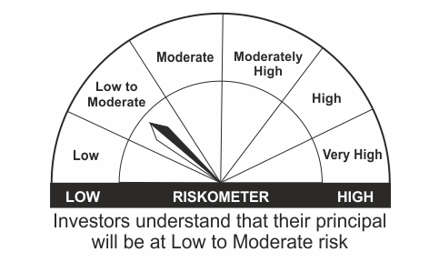 |  | 
•Income with high levels of safety and liquidity over short term. |  | NIFTY 1D Rate Index
•Investment in debt and money market instruments with overnight maturity.
•Risk – Low to Moderate |  | •Risk – Low

*Investors should consult their financial advisers if in doubt about whether the product is suitable for them.
Mutual Fund investments are subject to market risks, read all scheme related documents carefully.

 | Potential Risk Class
LIC MF Overnight Fund | Credit Risk | Relatively Low (Class A) | Moderate (Class B) | Relatively High (Class C)
 | Interest Rate Risk
 | Relatively Low (Class I) | A-I
 | Moderate (Class II)
 | Relatively High (Class III)

 | Portfolio Information
Scheme Name : | LIC MF Overnight Fund
Description (if any) | Overnight Fund
Annualised Portfolio YTM* : | 6.79
Macaulay Duration | 0.01
Residual Maturity | 0.01
As on (Date) | 30 September 2023

LLIQDF
LIC MF LIQUID FUND |  |  |  |  |  |  | Index

Monthly Portfolio Statement as on September 30,2023
Name of the Instrument | ISIN | Industry / Rating | Quantity | Market/Fair Value (Rounded, Rs. In Lacs) | Rounded, % to Net Assets | Yield

Debt Instruments
(a)Listed / Awaiting listing on stock Exchanges
9.37% State Government of Gujarat | IN1520130130 | SOVEREIGN | 20,000,000.000 | 20,687.97 | 2.53% | 6.98%
9.39% State Government of Karnataka | IN1920130060 | SOVEREIGN | 3,000,000.000 | 3,103.55 | 0.38% | 6.97%
Sub Total |  |  |  | 23,791.52 | 2.91%

(b)Privately Placed/Unlisted
Sub Total |  |  |  | NIL | NIL

(c)Securitised Debt Instruments
Sub Total |  |  |  | NIL | NIL

TOTAL |  |  |  | 23,791.52 | 2.91%

Money Market Instruments

Certificate of Deposit
Bank of Baroda ** # | INE028A16DR9 | FITCH A1+ | 4,000.000 | 19,799.18 | 2.43% | 6.99%
Bank of Baroda ** # | INE028A16DM0 | FITCH A1+ | 3,000.000 | 14,968.43 | 1.83% | 7.00%
Canara Bank ** # | INE476A16UL7 | CRISIL A1+ | 2,500.000 | 12,323.13 | 1.51% | 6.99%
Canara Bank ** # | INE476A16WA6 | CRISIL A1+ | 2,000.000 | 9,957.69 | 1.22% | 7.05%
Punjab National Bank ** # | INE160A16NK4 | ICRA A1+ | 2,000.000 | 9,950.03 | 1.22% | 7.05%
Punjab National Bank ** # | INE160A16NQ1 | ICRA A1+ | 2,000.000 | 9,931.00 | 1.22% | 7.05%
Canara Bank ** # | INE476A16WG3 | CRISIL A1+ | 2,000.000 | 9,910.73 | 1.21% | 7.00%
Canara Bank ** # | INE476A16WI9 | CRISIL A1+ | 2,000.000 | 9,903.21 | 1.21% | 7.00%
Bank of Maharashtra ** # | INE457A16JS5 | CRISIL A1+ | 2,000.000 | 9,898.74 | 1.21% | 7.04%
Canara Bank ** # | INE476A16WJ7 | CRISIL A1+ | 2,000.000 | 9,897.57 | 1.21% | 7.00%
Canara Bank ** # | INE476A16WL3 | CRISIL A1+ | 2,000.000 | 9,877.14 | 1.21% | 6.98%
Bank of Baroda ** # | INE028A16DT5 | FITCH A1+ | 2,000.000 | 9,873.59 | 1.21% | 6.98%
Small Industries Development Bk of India ** # | INE556F16AD4 | CRISIL A1+ | 1,500.000 | 7,405.40 | 0.91% | 7.07%
Canara Bank ** # | INE476A16VY8 | CRISIL A1+ | 1,000.000 | 4,998.09 | 0.61% | 6.99%
Bank of Baroda ** # | INE028A16CY7 | FITCH A1+ | 1,000.000 | 4,957.31 | 0.61% | 6.99%
Sub Total |  |  |  | 153,651.24 | 18.82%

Commercial Paper
Larsen & Toubro Ltd. ** | INE018A14JY8 | CRISIL A1+ | 6,000.000 | 29,656.32 | 3.63% | 7.05%
Reliance Retail Ventures Ltd. ** | INE929O14AW0 | CRISIL A1+ | 6,000.000 | 29,650.89 | 3.63% | 7.05%
HDFC Bank Ltd. ** | INE040A14169 | CRISIL A1+ | 6,000.000 | 29,485.56 | 3.61% | 7.40%
Ultratech Cement Ltd. ** | INE481G14EC2 | CRISIL A1+ | 5,000.000 | 24,691.33 | 3.02% | 7.02%
Aditya Birla Finance Ltd. ** | INE860H141J7 | ICRA A1+ | 4,000.000 | 19,811.74 | 2.43% | 7.38%
National Bk for Agriculture & Rural Dev. ** | INE261F14KC7 | CRISIL A1+ | 4,000.000 | 19,779.22 | 2.42% | 7.02%
Small Industries Development Bk of India ** | INE556F14JO7 | CRISIL A1+ | 4,000.000 | 19,778.42 | 2.42% | 7.05%
Small Industries Development Bk of India ** | INE556F14JP4 | CRISIL A1+ | 4,000.000 | 19,743.42 | 2.42% | 7.08%
Aditya Birla Fashion and Retail Ltd. ** | INE647O14EX8 | CRISIL A1+ | 3,000.000 | 14,808.02 | 1.81% | 7.17%
Small Industries Development Bk of India ** | INE556F14JN9 | CRISIL A1+ | 2,700.000 | 13,365.76 | 1.64% | 7.05%
Small Industries Development Bk of India ** | INE556F14JM1 | CRISIL A1+ | 2,000.000 | 9,951.27 | 1.22% | 7.15%
Reliance Retail Ventures Ltd. ** | INE929O14AT6 | CRISIL A1+ | 2,000.000 | 9,944.34 | 1.22% | 7.04%
Godrej Agrovet Ltd. ** | INE850D14PC1 | ICRA A1+ | 2,000.000 | 9,937.49 | 1.22% | 7.17%
Pilani Inv & Ind Corp Ltd. ** | INE417C14561 | CRISIL A1+ | 2,000.000 | 9,916.38 | 1.21% | 7.70%
Kotak Securities Ltd. ** | INE028E14MB1 | ICRA A1+ | 2,000.000 | 9,905.55 | 1.21% | 7.40%
ICICI Securities Ltd. ** | INE763G14QQ7 | CRISIL A1+ | 2,000.000 | 9,905.49 | 1.21% | 7.41%
Poonawalla Fincorp Ltd. ** | INE511C14VI6 | CRISIL A1+ | 2,000.000 | 9,895.12 | 1.21% | 7.44%
Cholamandalam Investment & Fin Co Ltd. ** | INE121A14VL2 | ICRA A1+ | 2,000.000 | 9,890.28 | 1.21% | 7.64%
ICICI Securities Ltd. ** | INE763G14QT1 | CRISIL A1+ | 2,000.000 | 9,879.66 | 1.21% | 7.41%
Godrej Housing Finance Ltd. ** | INE02JD14286 | CRISIL A1+ | 2,000.000 | 9,870.01 | 1.21% | 7.17%
Godrej Finance Ltd. ** | INE02KN14135 | CRISIL A1+ | 2,000.000 | 9,863.22 | 1.21% | 7.56%
Export Import Bank of India ** | INE514E14RF0 | CRISIL A1+ | 2,000.000 | 9,838.43 | 1.21% | 6.97%
Reliance Retail Ventures Ltd. ** | INE929O14AY6 | CRISIL A1+ | 2,000.000 | 9,836.72 | 1.20% | 7.05%
Godrej Industries Ltd. ** | INE233A14ZP7 | ICRA A1+ | 1,500.000 | 7,488.23 | 0.92% | 7.17%
Network18 Media & Investments Ltd. ** | INE870H14QZ9 | ICRA A1+ | 1,500.000 | 7,422.42 | 0.91% | 7.06%
Network18 Media & Investments Ltd. ** | INE870H14RA0 | ICRA A1+ | 1,500.000 | 7,416.74 | 0.91% | 7.07%
Godrej Industries Ltd. ** | INE233A14B60 | ICRA A1+ | 1,500.000 | 7,406.50 | 0.91% | 7.20%
Godrej Industries Ltd. ** | INE233A14B52 | ICRA A1+ | 1,500.000 | 7,405.05 | 0.91% | 7.20%
TV18 Broadcast Ltd. ** | INE886H14IW9 | ICRA A1+ | 1,500.000 | 7,398.33 | 0.91% | 7.07%
Godrej Industries Ltd. ** | INE233A14B78 | ICRA A1+ | 1,500.000 | 7,382.06 | 0.90% | 7.20%
Godrej Industries Ltd. ** | INE233A14ZN2 | ICRA A1+ | 1,000.000 | 4,998.04 | 0.61% | 7.18%
Aditya Birla Housing Finance Ltd. ** | INE831R14CV9 | ICRA A1+ | 1,000.000 | 4,978.85 | 0.61% | 7.05%
Network18 Media & Investments Ltd. ** | INE870H14RD4 | ICRA A1+ | 1,000.000 | 4,936.93 | 0.60% | 7.07%
Tata Motors Finance Solutions Ltd. ** | INE477S14BR9 | CRISIL A1+ | 1,000.000 | 4,925.02 | 0.60% | 7.51%
Godrej Industries Ltd. ** | INE233A14C28 | ICRA A1+ | 1,000.000 | 4,911.47 | 0.60% | 7.23%
Godrej Industries Ltd. ** | INE233A14C10 | ICRA A1+ | 1,000.000 | 4,911.47 | 0.60% | 7.23%
Small Industries Development Bk of India ** | INE556F14JF5 | CRISIL A1+ | 500.000 | 2,476.09 | 0.30% | 7.05%
Sub Total |  |  |  | 433,461.84 | 53.09%

Treasury Bill
91 DAYS TBILL RED 07-12-2023 | IN002023X245 | SOVEREIGN | 50,000,000.000 | 49,391.20 | 6.05% | 6.72%
91 DAYS TBILL RED 02-11-2023 | IN002023X187 | SOVEREIGN | 30,000,000.000 | 29,824.80 | 3.65% | 6.70%
182 DAYS TBILL RED 23-11-2023 | IN002023Y086 | SOVEREIGN | 24,500,000.000 | 24,263.18 | 2.97% | 6.72%
91 DAYS TBILL RED 12-10-2023 | IN002023X153 | SOVEREIGN | 20,000,000.000 | 19,959.42 | 2.44% | 6.75%
91 DAYS TBILL RED 26-10-2023 | IN002023X179 | SOVEREIGN | 20,000,000.000 | 19,908.64 | 2.44% | 6.70%
182 DAYS TBILL RED 21-12-2023 | IN002023Y128 | SOVEREIGN | 10,000,000.000 | 9,851.99 | 1.21% | 6.77%
182 DAYS TBILL RED 05-10-2023 | IN002023Y011 | SOVEREIGN | 2,000,000.000 | 1,998.56 | 0.24% | 6.59%
Sub Total |  |  |  | 155,197.79 | 19.01%

TOTAL |  |  |  | 742,310.87 | 90.92%

Treps / Reverse Repo
Treps |  |  |  | 60,009.91 | 7.35%
Sub Total |  |  |  | 60,009.91 | 7.35%

TOTAL |  |  |  | 60,009.91 | 7.35%
Net Receivables / (Payables) |  |  |  | (9,737.05) | (1.18%)
GRAND TOTAL |  |  |  | 816,375.25 | 100.00%

# Unlisted Security
** Non Traded Security

LIC MF Arbitrage Fund has invested (inter scheme investments) in LIC MF Liquid Fund. Market value of such investments as on 30th September 2023 is 467.00 lacs.
LIC MF Equity Savings Fund has invested (inter scheme investments) in LIC MF Liquid Fund. Market value of such investments as on 30th September 2023 is 120.89 lacs.

The product is suitable for investors who are seeking* | Riskometer - Scheme | First Tier Benchmark | Riskometer - First Tier Benchmark
LIC MF Liquid Fund |  |  | 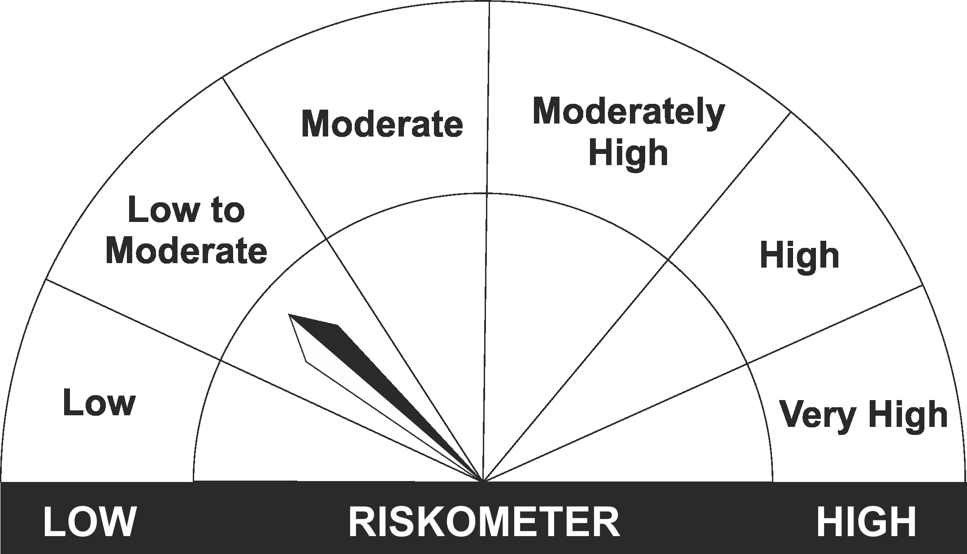
•Income for short term |  | CRISIL Liquid Fund BI Index
•Investment in Debt/Money Market Instruments with maturity of upto 91 days.
•Risk – Low to Moderate |  | •Risk – Low to Moderate

*Investors should consult their financial advisers if in doubt about whether the product is suitable for them.
Mutual Fund investments are subject to market risks, read all scheme related documents carefully.

 | Potential Risk Class
LIC MF Liquid Fund | Credit Risk | Relatively Low (Class A) | Moderate (Class B) | Relatively High (Class C)
 | Interest Rate Risk
 | Relatively Low (Class I) |  | B-I
 | Moderate (Class II)
 | Relatively High (Class III)

 | Portfolio Information
Scheme Name : | LIC MF Liquid Fund
Description (if any) | Liquid Fund
Annualised Portfolio YTM* : | 7.03
Macaulay Duration | 0.14
Residual Maturity | 0.14
As on (Date) | 30 September 2023

